Sheet1
No | SKU | Title | OEM | Picture | Url | Json_Src | Json_Description
1 | 1043 | Metric Fastener Assortment withoutut Compartment Bin |  | 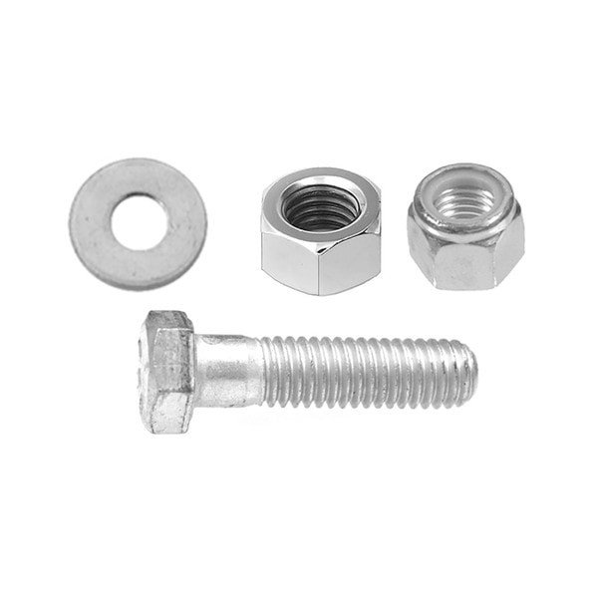 | https://www.auveco.com/metric-fastener-assortment-w-o-bin-1043 | {"0": "https://www.auveco.com/site/item-images/1043_image-1.jpg?resizeid=3&resizeh=600&resizew=600", "1": "https://www.auveco.com/site/item-images/1043_image-2.jpg?resizeid=3&resizeh=600&resizew=600"} | {"0": {"Pcs/Unit": "1"}, "1": {"Includes": "1995 Pieces, Planogram And Reorder Labels, Without The 72B-9 Bin"}, "2": {"Country": "Mexico"}}
2 | 1042 | Metric Fastener Assortment In Two 40 Compartment Bins |  |  | https://www.auveco.com/metric-fastener-assortment-in-two-40-compartment-bins-1042 | {"0": "https://www.auveco.com/site/item-images/1042_image-1.jpg?resizeid=3&resizeh=600&resizew=600", "1": "https://www.auveco.com/site/item-images/1042_image-2.jpg?resizeid=3&resizeh=600&resizew=600"} | {"0": {"Pcs/Unit": "1"}, "1": {"Size": "33-3/4 in. x 9 in. x 24 in."}, "2": {"Includes": "1975 Pieces & 2 P40-S Cabinets"}, "3": {"Country": "Mexico"}, "4": {"Packing": "Fasteners are shipped in separate box to be loaded metal cabinet which is marked with part numbers for easy restocking."}}
3 | 1041 | Metric Fastener Assortment Regular Pitch withoutut Compartment Bin |  |  | https://www.auveco.com/metric-fastener-asst-reg-pitch-w-o-bin-1041 | {"0": "https://www.auveco.com/site/item-images/1041_image-1.jpg?resizeid=3&resizeh=600&resizew=600", "1": "https://www.auveco.com/site/item-images/1041_image-2.jpg?resizeid=3&resizeh=600&resizew=600"} | {"0": {"Pcs/Unit": "1"}, "1": {"Includes": "1200 pieces, planogram and reorder labels, without the P40-S Bin"}, "2": {"Country": "Mexico"}}
4 | 1040 | Metric Fastener Assortment In 40 Compartment Bin |  |  | https://www.auveco.com/metric-fast-asst-in-40-comp-bin-1040 | {"0": "https://www.auveco.com/site/item-images/1040_image-1.jpg?resizeid=3&resizeh=600&resizew=600", "1": "https://www.auveco.com/site/item-images/1040_image-2.jpg?resizeid=3&resizeh=600&resizew=600"} | {"0": {"Pcs/Unit": "1"}, "1": {"Size": "33-3/4 in. x 9 in. x 24 in."}, "2": {"Includes": "1200 pieces & P40-S Bin"}, "3": {"Country": "Mexico"}, "4": {"Packing": "Fasteners are shipped in separate box to be loaded metal cabinet which is marked with part numbers for easy restocking."}}
5 | 1031 | Grade 8 USS Fastener Assortment withoutut Compartment Bin |  |  | https://www.auveco.com/uss-fastener-asst-wo-bin-1031 | {"0": "https://www.auveco.com/site/item-images/1031_image-1.jpg?resizeid=3&resizeh=600&resizew=600", "1": "https://www.auveco.com/site/item-images/1031_image-2.jpg?resizeid=3&resizeh=600&resizew=600"} | {"0": {"Pcs/Unit": "1"}, "1": {"Includes": "2000 pieces - planogram and reorder labels, without the P40-S Bin"}, "2": {"Country": "Mexico"}}
6 | 1030 | Grade 8 Fastener Assortment In 40 Compartment Bin |  |  | https://www.auveco.com/gr-8-fastener-asst-in-40-compartment-bin-1030 | {"0": "https://www.auveco.com/site/item-images/1030_image-1.jpg?resizeid=3&resizeh=600&resizew=600", "1": "https://www.auveco.com/site/item-images/1030_image-2.jpg?resizeid=3&resizeh=600&resizew=600"} | {"0": {"Pcs/Unit": "1"}, "1": {"Size": "33-3/4 in. x 9 in. x 24 in."}, "2": {"Includes": "2000 pieces & P40-S Bin"}, "3": {"Country": "Mexico"}, "4": {"Packing": "Fasteners are shipped in separate box to be loaded metal cabinet which is marked with part numbers for easy restocking."}}
7 | 1021 | Grade 5 USS Fastener Assortment withoutut Compartment Bin |  |  | https://www.auveco.com/gr-5-uss-fast-asst-w-o-bin-1021 | {"0": "https://www.auveco.com/site/item-images/1021_image-1.jpg?resizeid=3&resizeh=600&resizew=600"} | {"0": {"Pcs/Unit": "1"}, "1": {"Includes": "2800 pieces, planogram and reorder labels, without the P40-S Bin"}, "2": {"Country": "Mexico"}}
8 | 1020 | Grade 5 Fastener Assortment In 40 Compartment Bin |  | 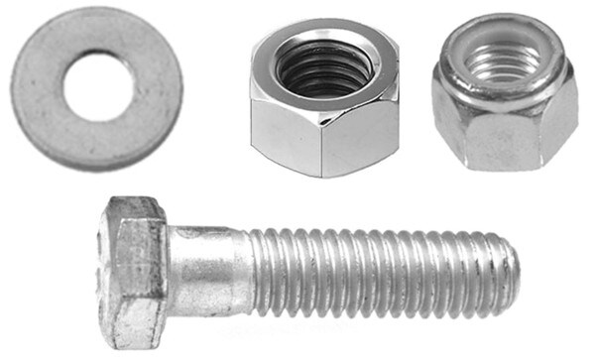 | https://www.auveco.com/gr-5-fast-asst-in-40-comp-bin-1020 | {"0": "https://www.auveco.com/site/item-images/1020_image-1.jpg?resizeid=3&resizeh=600&resizew=600"} | {"0": {"Pcs/Unit": "1"}, "1": {"Size": "33-3/4 in. x 9 in. x 24 in."}, "2": {"Includes": "2800 pieces & P40-S Bin"}, "3": {"Country": "Mexico"}, "4": {"Packing": "Fasteners are shipped in separate box to be loaded metal cabinet which is marked with part numbers for easy restocking."}}
9 | 1055 | Metric Retainer Assortment withoutut Compartment Bin |  | 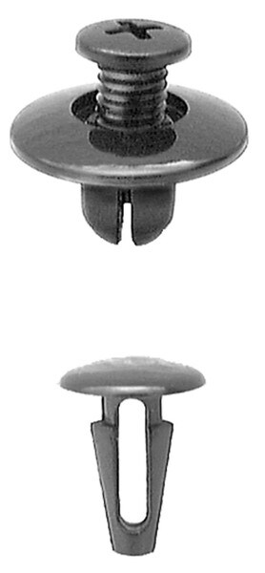 | https://www.auveco.com/import-retainer-assortment-w-o-bin-1055 | {"0": "https://www.auveco.com/site/item-images/1055_image-1.jpg?resizeid=3&resizeh=600&resizew=600"} | {"0": {"Pcs/Unit": "1"}, "1": {"Includes": "601 pieces without the MB-36 bin"}, "2": {"Country": "United States"}}
10 | 1054 | Metric Retainer Assortment In 36 Compartment Bin |  | 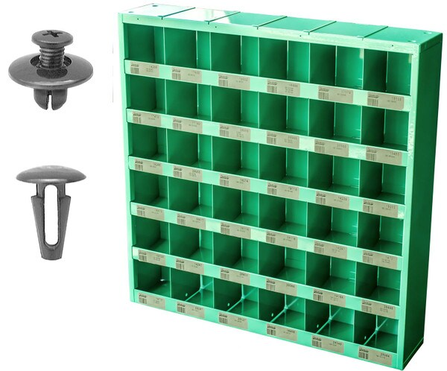 | https://www.auveco.com/import-retainer-assortment-in-36-comp-bin-1054 | {"0": "https://www.auveco.com/site/item-images/1054_image-1.jpg?resizeid=3&resizeh=600&resizew=600"} | {"0": {"Pcs/Unit": "1"}, "1": {"Includes": "601 pieces & MB-36 bin"}, "2": {"Country": "United States"}}
11 | 1053 | Domestic Retainer Assortment withoutut Compartment Bin |  | 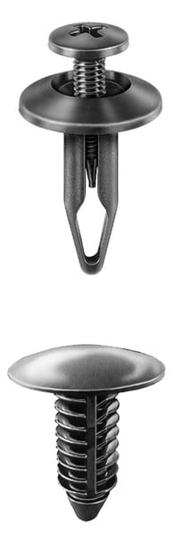 | https://www.auveco.com/domestic-retainer-assortment-w-o-bin-1053 | {"0": "https://www.auveco.com/site/item-images/1053_image-1.jpg?resizeid=3&resizeh=600&resizew=600"} | {"0": {"Pcs/Unit": "1"}, "1": {"Includes": "1,130 Pieces Without The MB-36 Bin"}, "2": {"Country": "United States"}}
12 | 1052 | Domestic Retainer Assortment In 36 Compartment Bin |  | 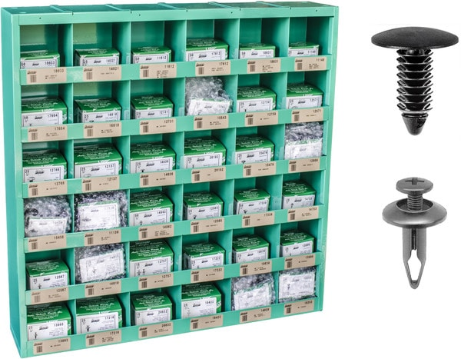 | https://www.auveco.com/domestic-retainer-assortment-in-36-compartment-bin-1052 | {"0": "https://www.auveco.com/site/item-images/1052_image-1.jpg?resizeid=3&resizeh=600&resizew=600"} | {"0": {"Pcs/Unit": "1"}, "1": {"Includes": "1,130 Pieces & MB-36 Bin"}, "2": {"Country": "United States"}}

